Sheet1
 | attack | mana cost | class

double sword

water club

bow

fire punch

fire kick

fire blast

water whip

wave attack

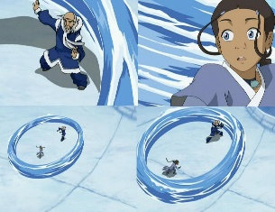

water circle

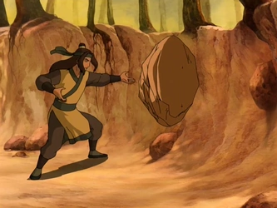

rock throw

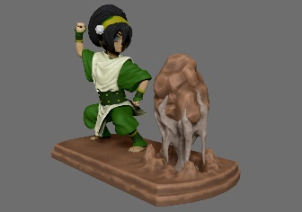

ground stomp

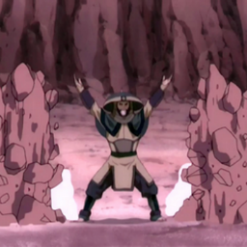
rock wall

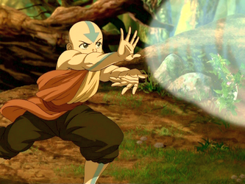

gust of air

air leg sweep

staff slam

